READ FIRST
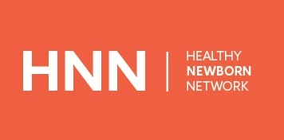 | The Healthy Newborn Network (HNN) is an online community dedicated to addressing critical knowledge gaps in newborn health. Easy access to reliable newborn health data helps decision-makers allocate resources effectively and prioritize implementation efforts to improve access and quality of care for mothers and babies. Newborn Numbers on HNN aims to improve the understanding and use of data in decision making for newborn health. HNN data include the global burden of newborn deaths, when, where, and why newborns are dying as well as solutions for preventing deaths and resources available for action. The HNN numbers page serves as a central location to access the latest global, regional, and national estimates related to newborn health. HNN synthesizes information gathered from the major global resources, such as Global Health Observatory, the UN Inter-agency Group for Child Mortality Estimation, cause of death data, coverage of care for key newborn-health related interventions, contextual indicators, human resources, and financing indicators. This comprehensive database contains an extensive list of maternal and newborn health related indicators for 197 countries. The interactive data visualization tool, a feature on HNN, allows users to easily and quickly make graphs with over 50 newborn related indicators. The multi-dimension query functionality of the tool makes it easy to select multiple indicators and countries. You can also download a subset of data into Excel to create your own graphs. The heat maps visually demonstrate cross-country comparisons of indicators. Please note - Instances of dashes should be considered as missing data/data not available. To access the data visualization tool or to check for an updated Newborn Numbers excel, please visit healthynewbornnetwork.org/numbers

